HUD Income Limits-ANC
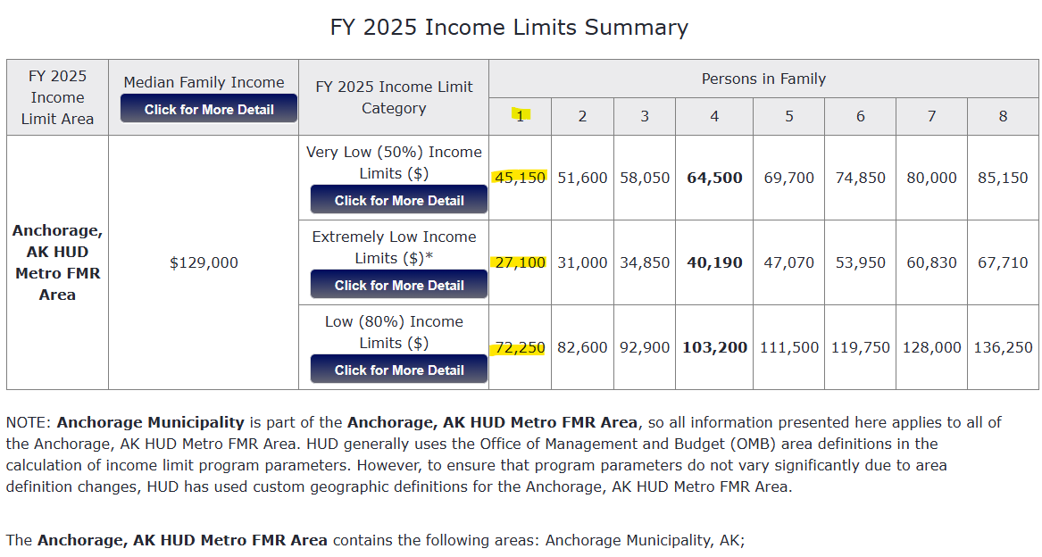
HUD 2025 INCOME LIMITS DOCUMENTATION SYSTEM WEBSITE

HUD Income Limits-MatSu
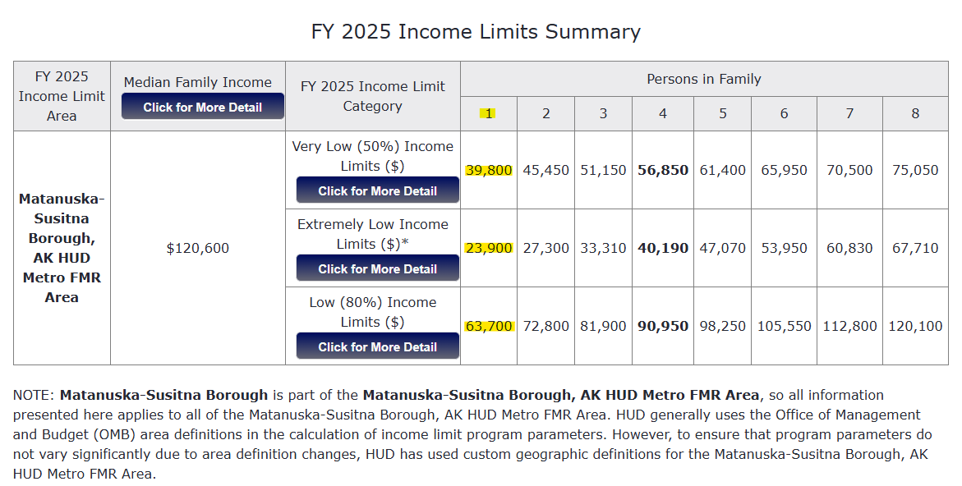
HUD 2025 INCOME LIMITS DOCUMENTATION SYSTEM WEBSITE

